Sheet3
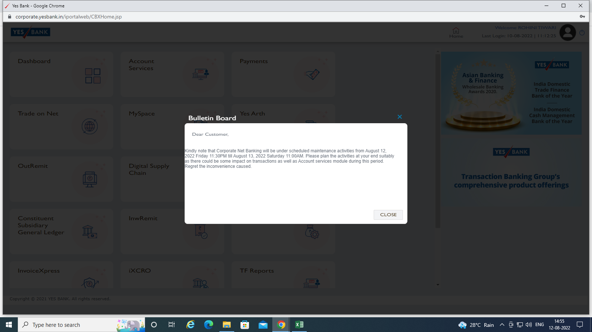
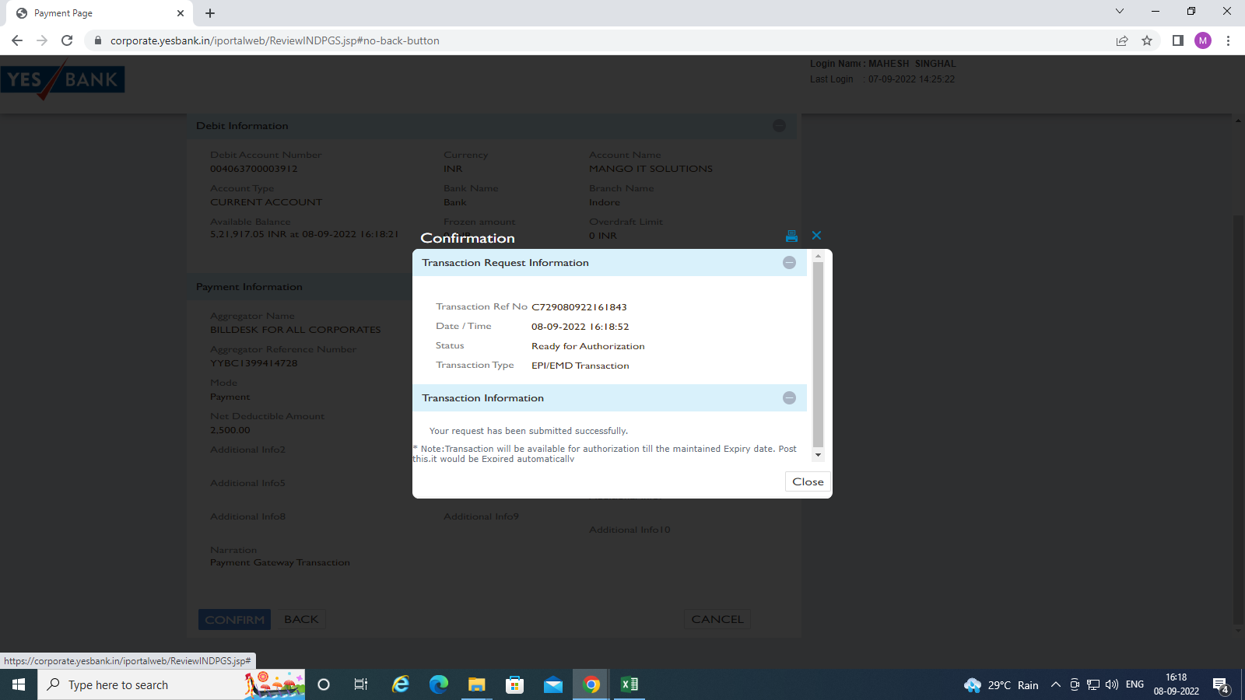
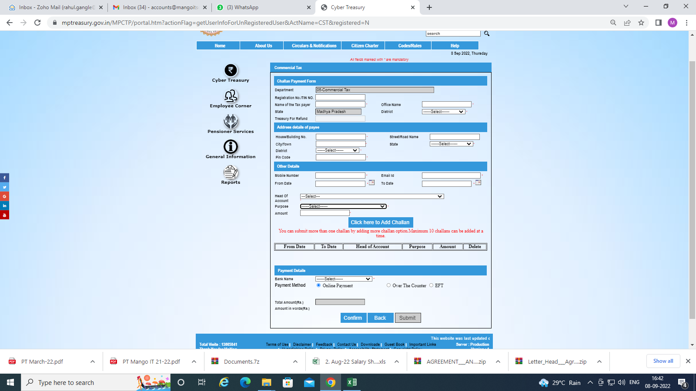

STPI | Person Name | Mob No
 | Mr.Ravi Verma | 9893022844
 | Mr.Sanjay Kumar Verma | 8860611672
 | Mr.Swapnil Ji | 9096000137

MPSEDC | Mr.Avinash Dutta | 9893575889
 | Mr.D.K. Saraf | 9826426920
 | Ms. Mansi | 9981835493

ESC | Mr.C S Rawat Delhi | 9868104370
 | Mr.C S Rawat Delhi | 911147480000
 | Mr.Gurmeet | 9891707075
 | Mr.Vivek Shrivastava | 9810480746
 | Mr.Vikrant JI | 9911266635

Yes Bank | Ms.Gouri Shinde | 9926188335
 | Ms. Annu Prathana | 8976091587
 | Ms. Somnath Yadav | 8007770724
 | Ms. Isha | 9981691777
 | Mr. Niket Soni | 9590555612
 | Ms.Ruchika | 9425312755
 | Mr.Jaspal Singh | 9229176777
 | Mr.Mayank Bhartiya | 9827501441
 | Mr.Pawan Joshi | 7987782838
 | Mr.Rahul Rathore | 9981624693
 | Mr. Raghuwaran | 9363447709
 | Ms.Vishakha | 9907743224
SC Bank | Mr. Raunak Pampalia | 9893021112
 | Ms.Nidhi Jain | 9074700008
 | Ms.Deepali Rana | 7999515242
 | Mr.Ajay Choubey LAP | 9893870977
 | Mr.Aman Arora | 9039425655
 | Mr.Amit Singh Bhadouria | 9412152579
 | Mr.BM Tapas Khandelwal | 9977388848
 | Mr.Harshal Raut | 9987051530
 | Ms.Khyati Desai | 9327033883
 | Ms.Priyanka Jagtap | 8698914820
 | Mr.Rahul Kaimal | 9285020909
 | Mr.Rohit Thakur | 9752473221
Axis Bank | Mr.Raghav | 9617200220
 | Ms.Sujata | 9981993009
 | Mr.Dharmendra Hanumant | 8827863252

Consultants | CA Ankur Agrawal Ji | 8878300078
 | Vijay Vijayvergee Ji | 7723922111
 | Nishikant Yadav Ji | 9301632659
 | Anirudha Malpaani Ji | 8288911615

